Summary

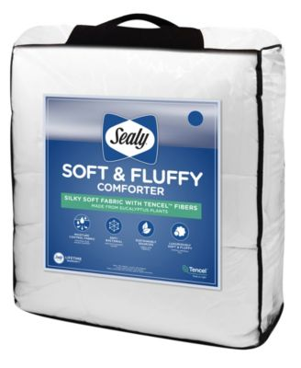
Units | Value
314 | $5,592.80
98 | $4,889.04
121 | $6,643.01
105 | $6,254.10
60 | $3,503.49
58 | $4,087.49
58 | $4,056.53
45 | $3,301.24
93 | $7,712.13
16 | $1,095.84
61 | $4,212.44
108 | $7,483.16
64 | $5,756.53
94 | $5,428.28
51 | $4,312.53
54 | $4,351.47
54 | $4,679.69
96 | $11,169.95 | 2 Pallets
60 | $5,379.47
58 | $4,973.50


80 | $7,516.20
84 | $6,357.53
96 | $9,301.07
1928 | $128,057.49
YOUR PRICE | $27,900.00
 | 24 pallets
 | EXW FL

